Лист1
Bug summary | Page fails to apply filters
Description | When user goes to WOMEN section and check one of filters on the left side below, page fails to load
Steps | Open Google Chrome browser
 | Go to following URL: http://automationpractice.com/index.php
 | Click on "WOMEN" button on the left side
 | Scroll down to "CATALOG" section
 | Click on "Dressy" checkbox in "Styles" subsection
Expected result | Filter applied
Actual result | Filter fails to load
Priority | Low
Severity | Low
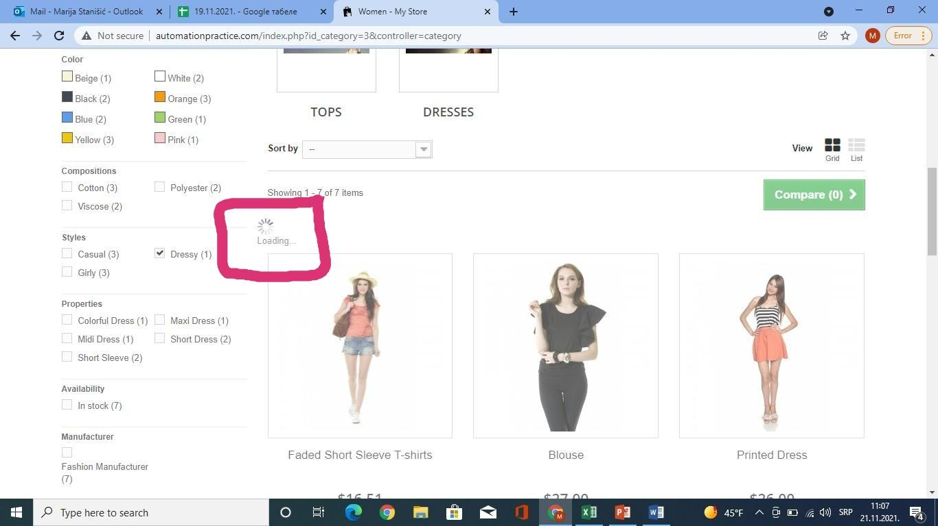
Repro rate | 2021-10-10
Screenshot

